Sheet1
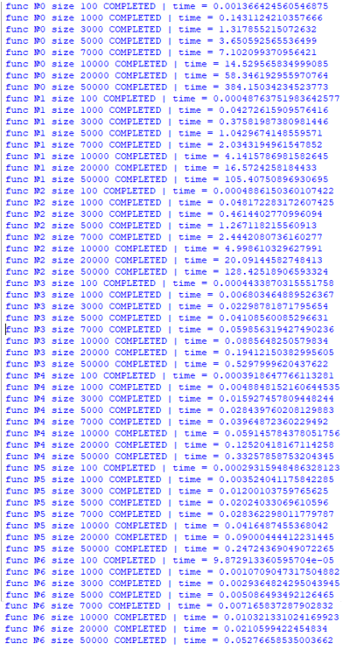
 | 100 | 1000 | 3000 | 5000 | 7000 | 10000 | 20000 | 50000
Bubble sort | 0.00136 | 0.14311 | 1.31785 | 3.65059 | 7.10209 | 14.52956 | 58.34619 | 384.15034
Selection sort | 0.00048 | 0.04272 | 0.37581 | 1.04296 | 2.03431 | 4.14157 | 16.57242 | 105.4075
Insertion sort | 0.00049 | 0.04817 | 0.46144 | 1.26712 | 2.4442 | 4.999 | 20.09145 | 128.42519
Heap sort | 0.00044 | 0.0068 | 0.02298 | 0.04108 | 0.05985 | 0.08856 | 0.19412 | 0.52979
Merge sort | 0.00039 | 0.00488 | 0.01592 | 0.02843 | 0.03964 | 0.05914 | 0.1252 | 0.33257
Quick sort | 0.00029 | 0.00352 | 0.012 | 0.02024 | 0.02836 | 0.04164 | 0.09 | 0.24724
Python sort | 9.87291 | 0.00107 | 0.00293 | 0.00508 | 0.00716 | 0.01032 | 0.02105 | 0.052766

Selection sort
Bubble sort
Insertion sort

Heap sort
Merge sort
Quick sort

Python sort

